Raw Summary
 | A.R. FURNITURES – SUMMARY DASHBOARD (May–Aug 2024)

Total Sales (₹) | 369152 |  | Item Code | Item Description | Purchase Rate | Sales Rate | Profit | Profit Margin %
Total Purchase (₹) | 328929.5 |  | BSF (A) | Bed Side Frame (A) | 2480 | 2923 | 443 | 17.86
Total Profit (₹) | 54979.5 |  | BSF (B) | Bed Side Frame (B) | 1275 | 1425 | 150 | 11.76
 |  |  | BSF (C) | Bed Side Frame (C) | 3560 | 4525 | 965 | 27.11
Highest Selling Product | Sofa Side Frame (B) |  | BSF (D) | Bed Side Frame (D) | 1410 | 1650 | 240 | 17.02
 |  |  | BSF (F) | Bed Side Frame (F) | 2720 | 3120 | 400 | 14.71
Number of Sales Transactions | 69 |  | Chair Frame (A) | Chair Frame (A) | 800 | 950 | 150 | 18.75
Number of Purchase Transactions | 38 |  | Chair Frame (B) | Chair Frame (B) | 651 | 725 | 74 | 11.37
 |  |  | CTF (A) | Centre Table Frame (A) | 703 | 750 | 47 | 6.69
 |  |  | CTF (B) | Centre Table Frame (B) | 880 | 1015 | 135 | 15.34
 |  |  | CTF (C) | Centre Table Frame (C) | 757 | 850 | 93 | 12.29
 |  |  | CTSF (A) | Centre Table Side Frame (A) | 890 | 985 | 95 | 10.67
 |  |  | DCF (A) | Dining Chair Frame (A) | 605 | 700 | 95 | 15.70
 |  |  | DCF (B) | Dining Chair Frame (B) | 580 | 660 | 80 | 13.79
 |  |  | DCF (C) | Dining Chair Frame (C) | 625 | 710 | 85 | 13.60
 |  |  | DCF (D) | Dining Chair Frame (D) | 540 | 623 | 83 | 15.37
 |  |  | SSF (A) | Sofa Side Frame (A) | 3075 | 3600 | 525 | 17.07
 |  |  | SSF (B) | Sofa Side Frame (B) | 2731 | 3225 | 494 | 18.09
 |  |  | SSF (C) | Sofa Side Frame (C) | 3730 | 4540 | 810 | 21.72
 |  |  | SSF (D) | Sofa Side Frame (D) | 4330 | 5450 | 1120 | 25.87
 |  |  | SSF (E) | Sofa Side Frame (E) | 2686 | 2950 | 264 | 9.83
 |  |  | Teak Sawn Timber | Teak Sawn Timber Different Cut Size | 1050 | 1200 | 150 | 14.29
 |  |  | Total |  | 36078 | 42576

Revenue Share by Customer Type (May–Aug 2024
Revenue Share by Customer Type (May–Aug 2024)

 | Row Labels | Sum of Total Sales
 | Carpenter | 278590
 | Not Available | 39670
 | Retail | 50892
 | Grand Total | 369152

Sales Total

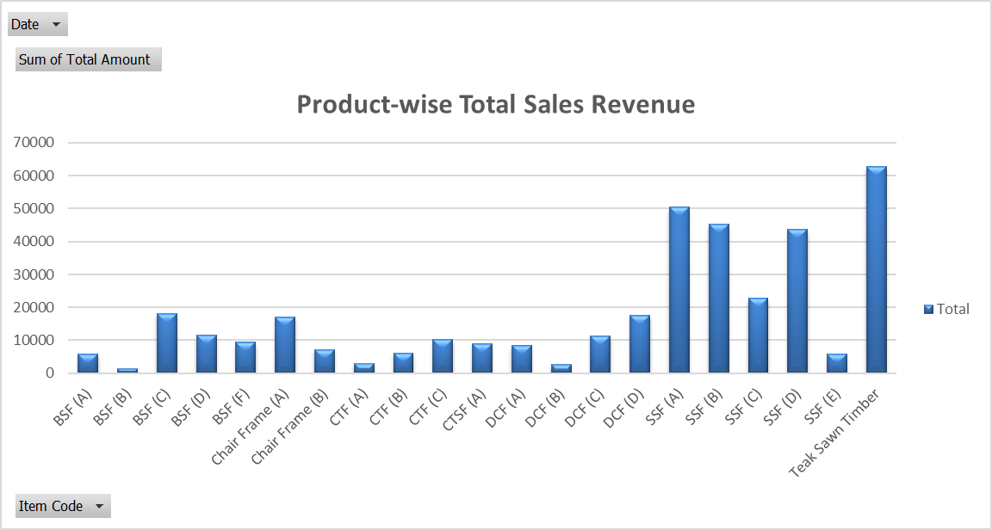
Row Labels | Sum of Total Sales | Sum of Total Profit
Teak Sawn Timber | 62772 | 7846.5
SSF (E) | 5900 | 528
SSF (D) | 43600 | 8960
SSF (C) | 22700 | 4050
SSF (B) | 45150 | 6916
SSF (A) | 50400 | 7350
DCF (D) | 17444 | 2324
DCF (C) | 11360 | 1360
DCF (B) | 2640 | 320
DCF (A) | 8400 | 1140
CTSF (A) | 8865 | 855
CTF (C) | 10200 | 1116
CTF (B) | 6090 | 810
CTF (A) | 3000 | 188
Chair Frame (B) | 7250 | 740
Chair Frame (A) | 17100 | 2700
BSF (F) | 9360 | 1200
BSF (D) | 11550 | 1680
BSF (C) | 18100 | 3860
BSF (B) | 1425 | 150
BSF (A) | 5846 | 886
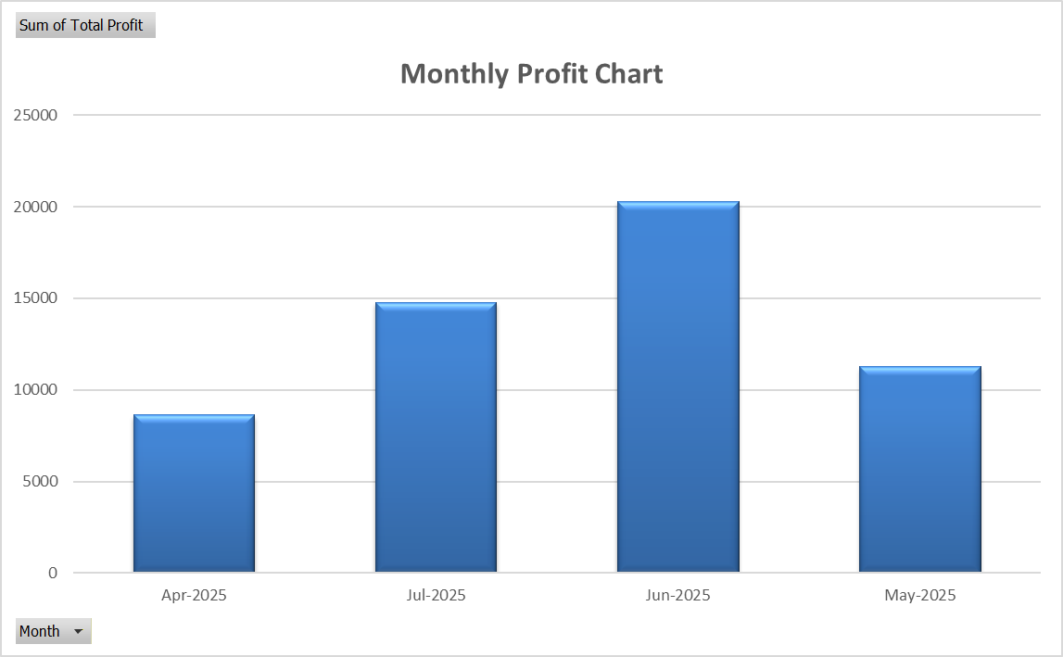
Grand Total | 369152 | 54979.5

Purchase Total

Date | (All)

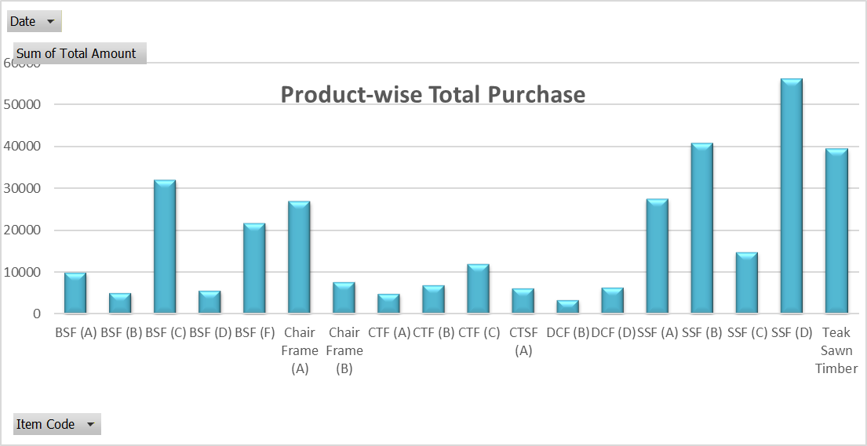
Row Labels | Sum of Total Amount | Sum of Qty
BSF (A) | 9920 | 4
BSF (B) | 5100 | 4
BSF (C) | 32040 | 9
BSF (D) | 5640 | 4
BSF (F) | 21760 | 8
Chair Frame (A) | 27012 | 36
Chair Frame (B) | 7812 | 12
CTF (A) | 4921 | 7
CTF (B) | 7040 | 8
CTF (C) | 12112 | 16
CTSF (A) | 6230 | 7
DCF (B) | 3480 | 6
DCF (D) | 6480 | 12
SSF (A) | 27675 | 9
SSF (B) | 40965 | 15
SSF (C) | 14920 | 4
SSF (D) | 56290 | 13
Teak Sawn Timber | 39532.5 | 37.65
Grand Total | 328929.5 | 211.65

ABC Classification ( Profit-Based )

Item Code | Item Description | Purchase Rate | Sales Rate | Profit | Qty Sold | Total Profit | Profit Contribution | Cumulative % | ABC Category
SSF (D) | Sofa Side Frame (D) | 4330 | 5450 | 1120 | 8 | 8960 | 0.163 | 0.163 | A
Teak Sawn Timber | Teak Sawn Timber Different Cut Size | 1050 | 1200 | 150 | 52.31 | 7846.5 | 0.143 | 0.306 | A
SSF (A) | Sofa Side Frame (A) | 3075 | 3600 | 525 | 14 | 7350 | 0.134 | 0.439 | A
SSF (B) | Sofa Side Frame (B) | 2731 | 3225 | 494 | 14 | 6916 | 0.126 | 0.565 | A
SSF (C) | Sofa Side Frame (C) | 3730 | 4540 | 810 | 5 | 4050 | 0.074 | 0.639 | A
BSF (C) | Bed Side Frame (C) | 3560 | 4525 | 965 | 4 | 3860 | 0.070 | 0.709 | A
Chair Frame (A) | Chair Frame (A) | 800 | 950 | 150 | 18 | 2700 | 0.049 | 0.758 | A
DCF (D) | Dining Chair Frame (D) | 540 | 623 | 83 | 28 | 2324 | 0.042 | 0.800 | B
BSF (D) | Bed Side Frame (D) | 1410 | 1650 | 240 | 7 | 1680 | 0.031 | 0.831 | B
BSF (F) | Bed Side Frame (F) | 2720 | 3120 | 400 | 3 | 1360 | 0.025 | 0.856 | B
DCF (A) | Dining Chair Frame (A) | 605 | 700 | 95 | 12 | 1200 | 0.022 | 0.878 | B
CTF (C) | Centre Table Frame (C) | 757 | 850 | 93 | 12 | 1140 | 0.021 | 0.898 | B
BSF (A) | Bed Side Frame (A) | 2480 | 2923 | 443 | 2 | 1116 | 0.020 | 0.919 | C
CTSF (A) | Centre Table Side Frame (A) | 890 | 985 | 95 | 9 | 886 | 0.016 | 0.935 | C
DCF (C) | Dining Chair Frame (C) | 625 | 710 | 85 | 10 | 855 | 0.016 | 0.950 | C
CTF (B) | Centre Table Frame (B) | 880 | 1015 | 135 | 6 | 810 | 0.015 | 0.965 | C
Chair Frame (B) | Chair Frame (B) | 651 | 725 | 74 | 10 | 740 | 0.013 | 0.978 | C
SSF (E) | Sofa Side Frame (E) | 2686 | 2950 | 264 | 2 | 528 | 0.010 | 0.988 | C
DCF (B) | Dining Chair Frame (B) | 580 | 660 | 80 | 4 | 320 | 0.006 | 0.994 | C
CTF (A) | Centre Table Frame (A) | 703 | 750 | 47 | 4 | 188 | 0.003 | 0.997 | C
BSF (B) | Bed Side Frame (B) | 1275 | 1425 | 150 | 1 | 150 | 0.003 | 1.000 | C

ABC Classification ( Profit–Frequency–Stability )

Item Code | Total Profit
BSF (A) | 1116
BSF (B) | 150
BSF (C) | 3860
BSF (D) | 1680
BSF (F) | 1360
Chair Frame (A) | 2700
Chair Frame (B) | 740
CTF (A) | 188
CTF (B) | 810
CTF (C) | 1140
CTSF (A) | 886
DCF (A) | 1200
DCF (B) | 320
DCF (C) | 855
DCF (D) | 2324
SSF (A) | 7350
SSF (B) | 6916
SSF (C) | 4050
SSF (D) | 8960
SSF (E) | 528
Teak Sawn Timber | 7846.5

